EVD_ASM11-01
Test Case ID | ASM11-01
Test Case Summary | lakukan entry termination

Step # | Test Evidence | Re-Test Evidence (if found Bug/Issue)
1
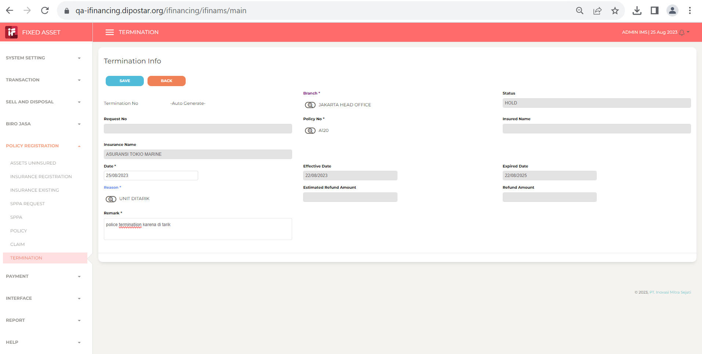

2
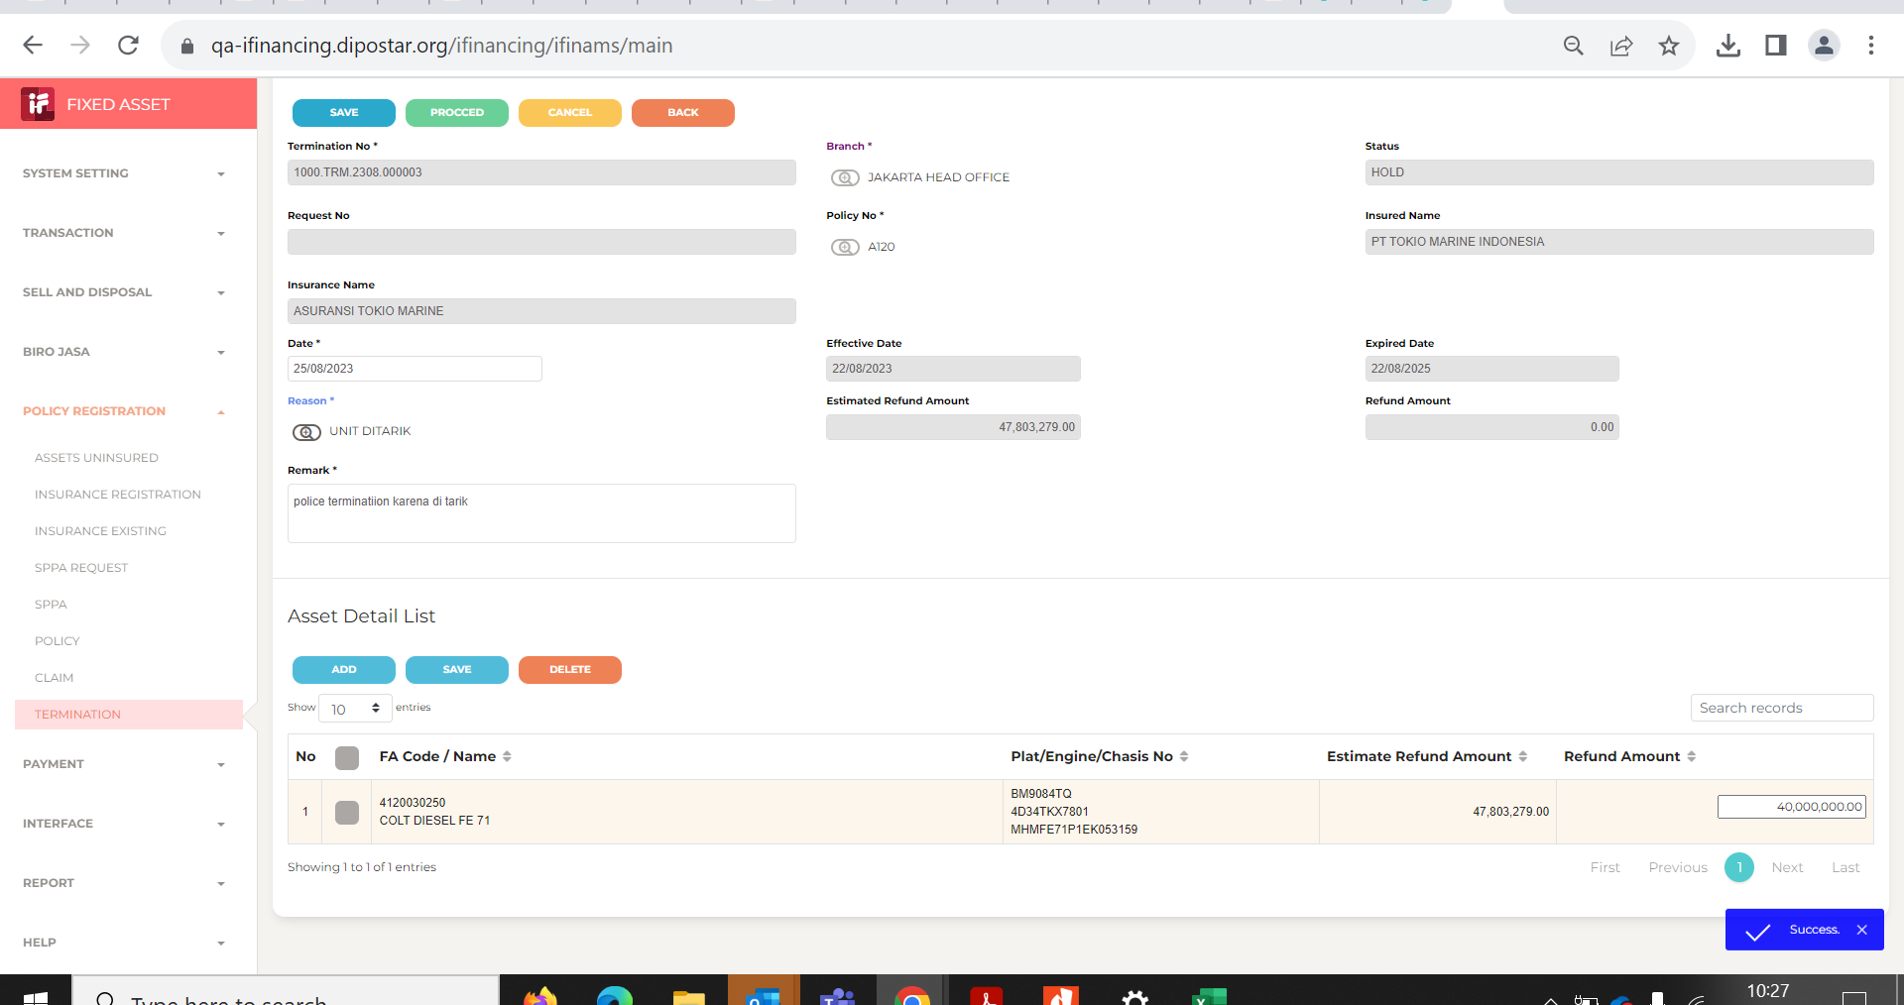

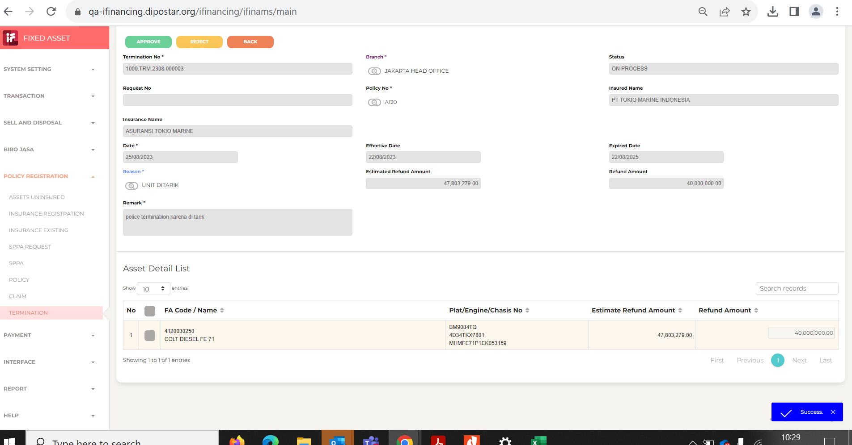
3

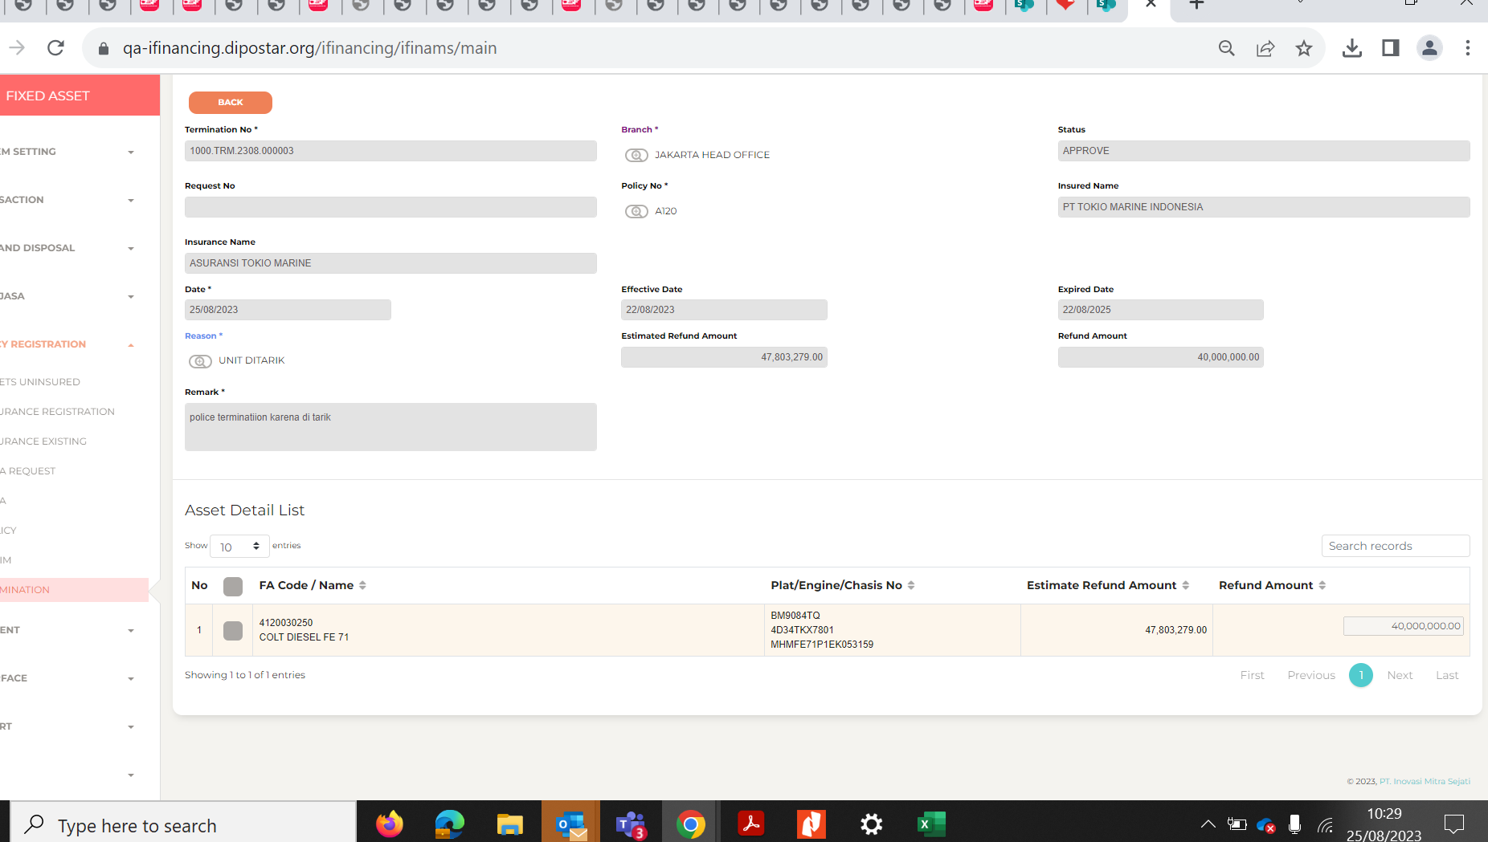
4

5

6

7

8

EVD_ASM11-01 Della
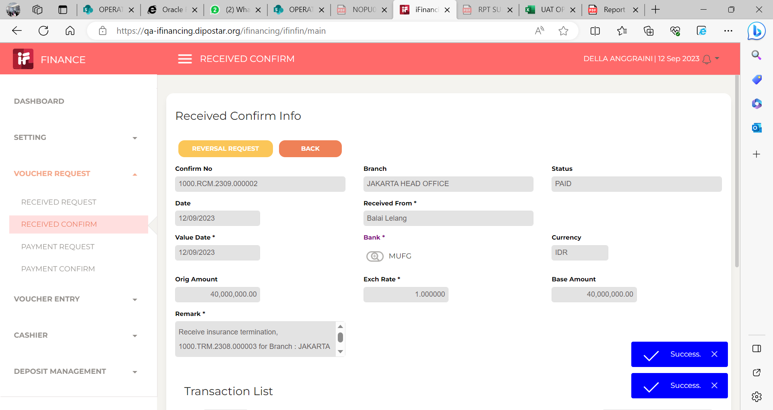
Test Case ID | ASM11-01
Test Case Summary | lakukan entry termination

Step # | Test Evidence | Re-Test Evidence (if found Bug/Issue)
1

2

3

4

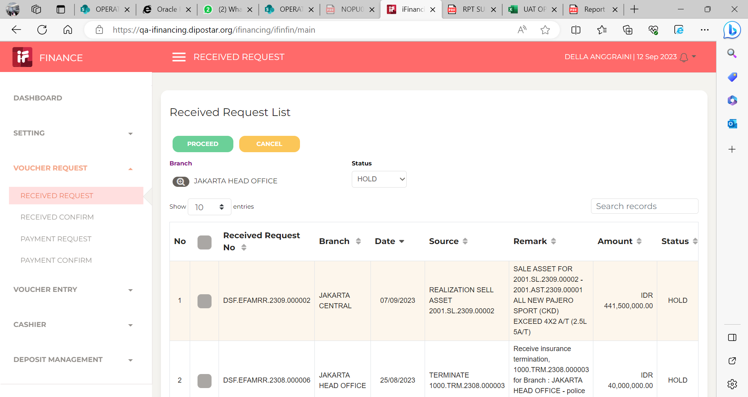
5

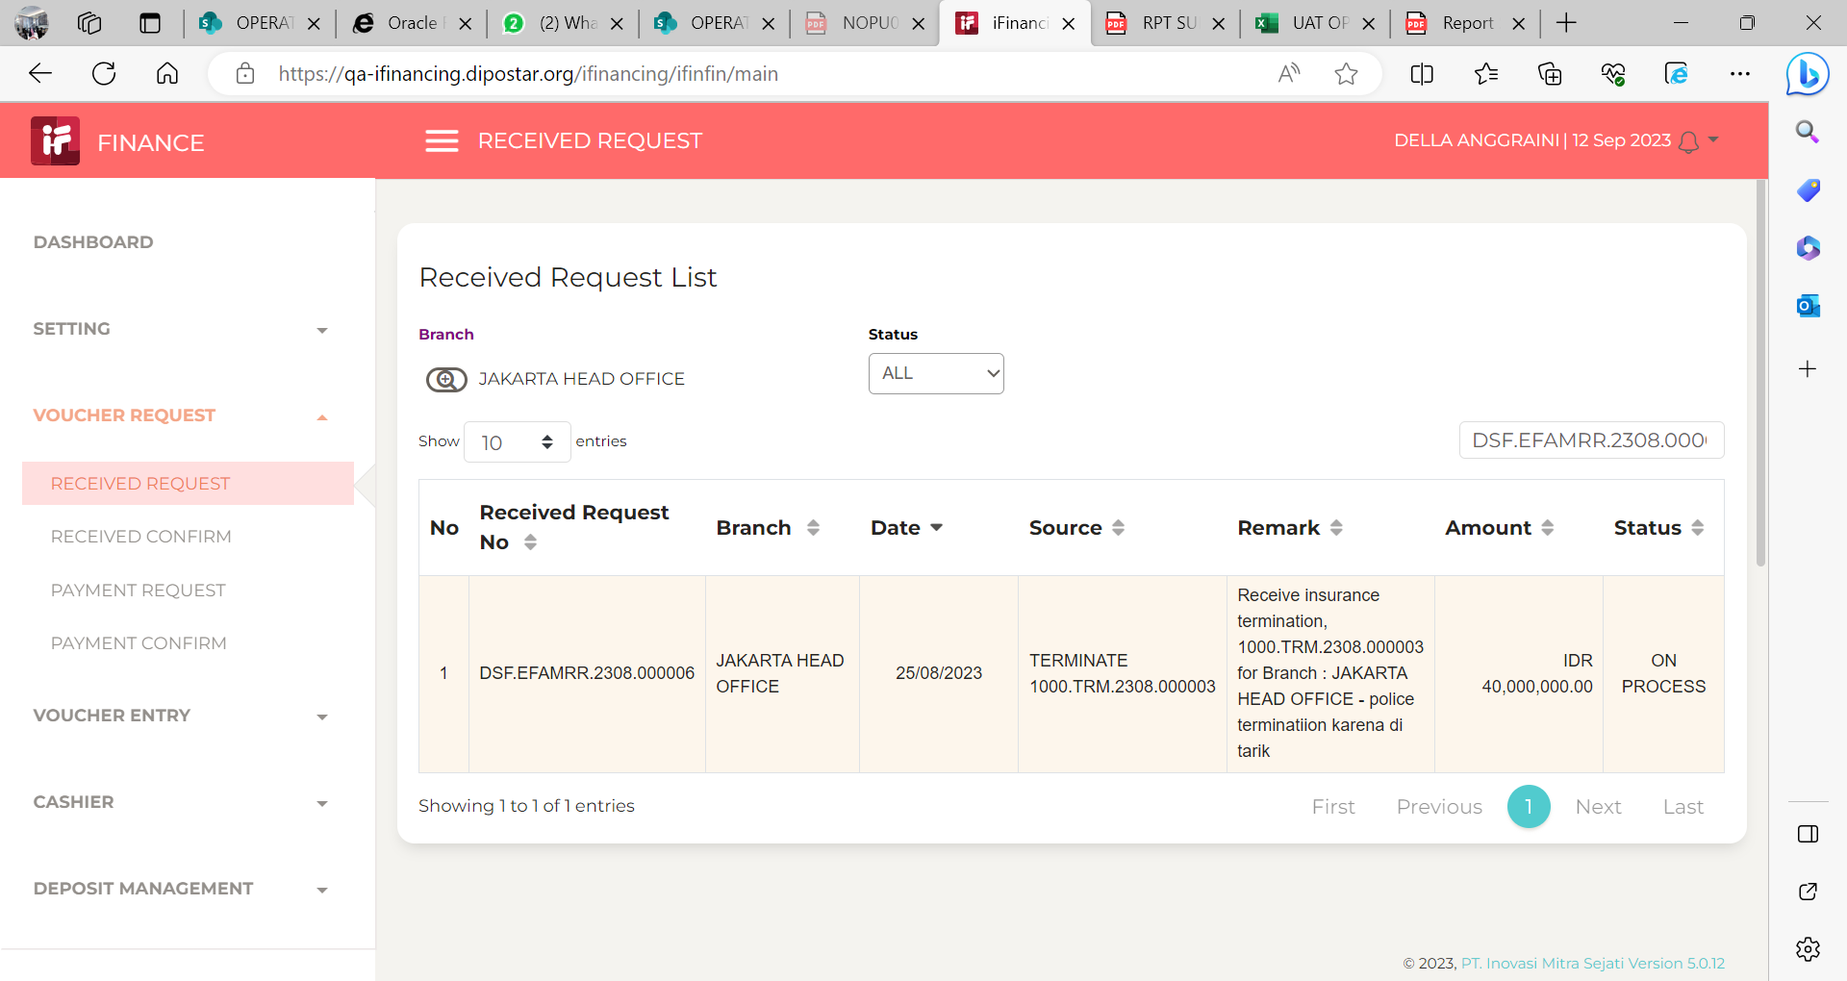
6

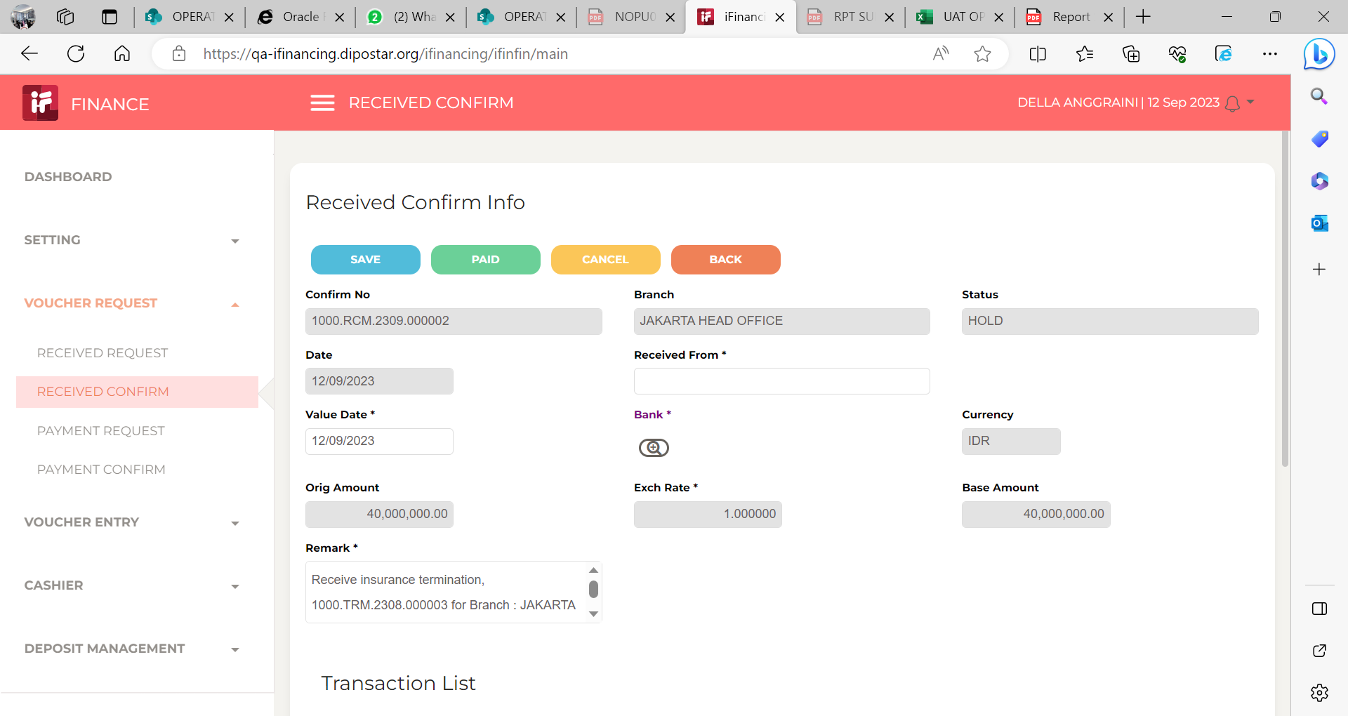
7

8

EVD_ASM11-01 Hanny
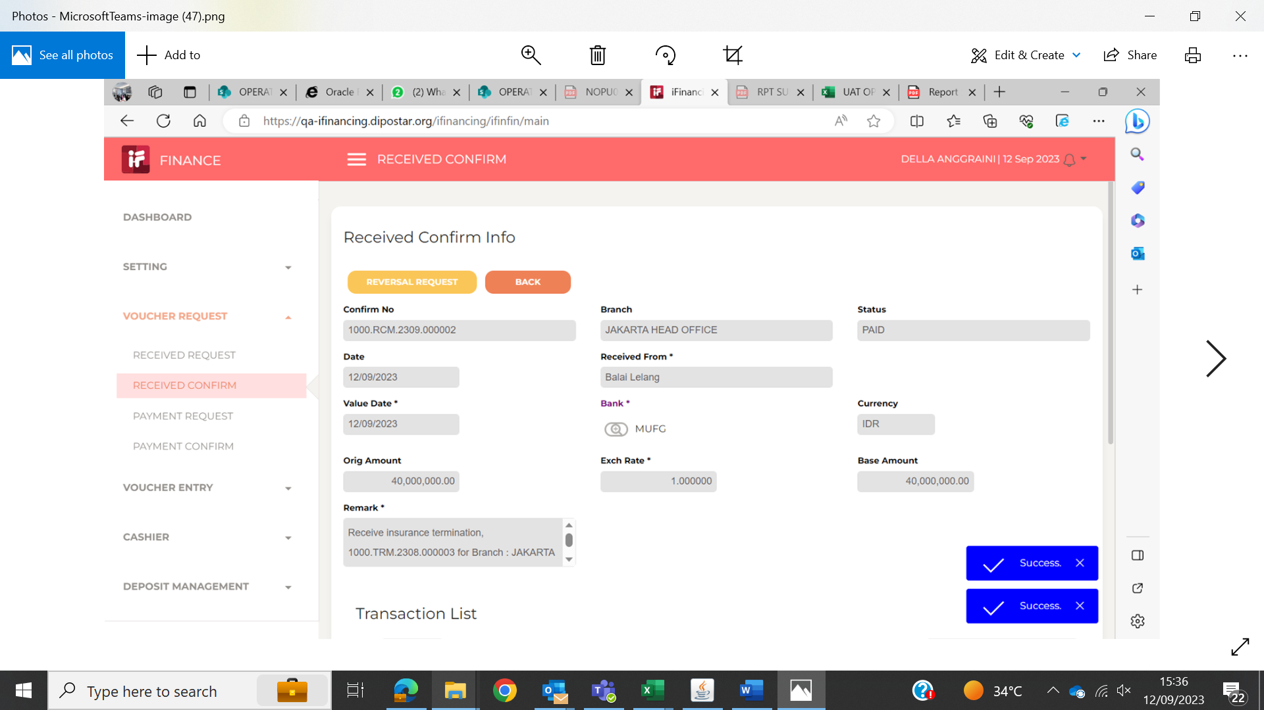
Test Case ID | ASM11-01
Test Case Summary | lakukan entry termination

Step # | Test Evidence | Re-Test Evidence (if found Bug/Issue)
1

2

3

4

5
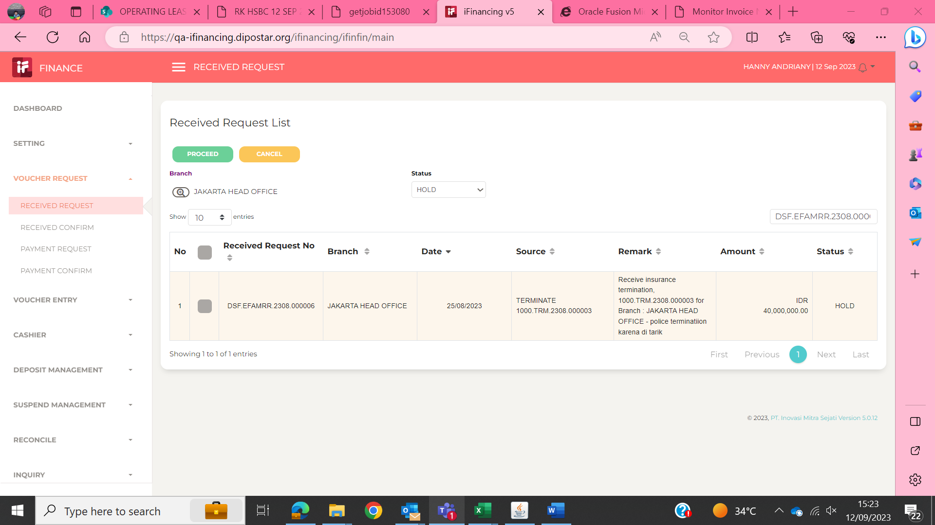

6
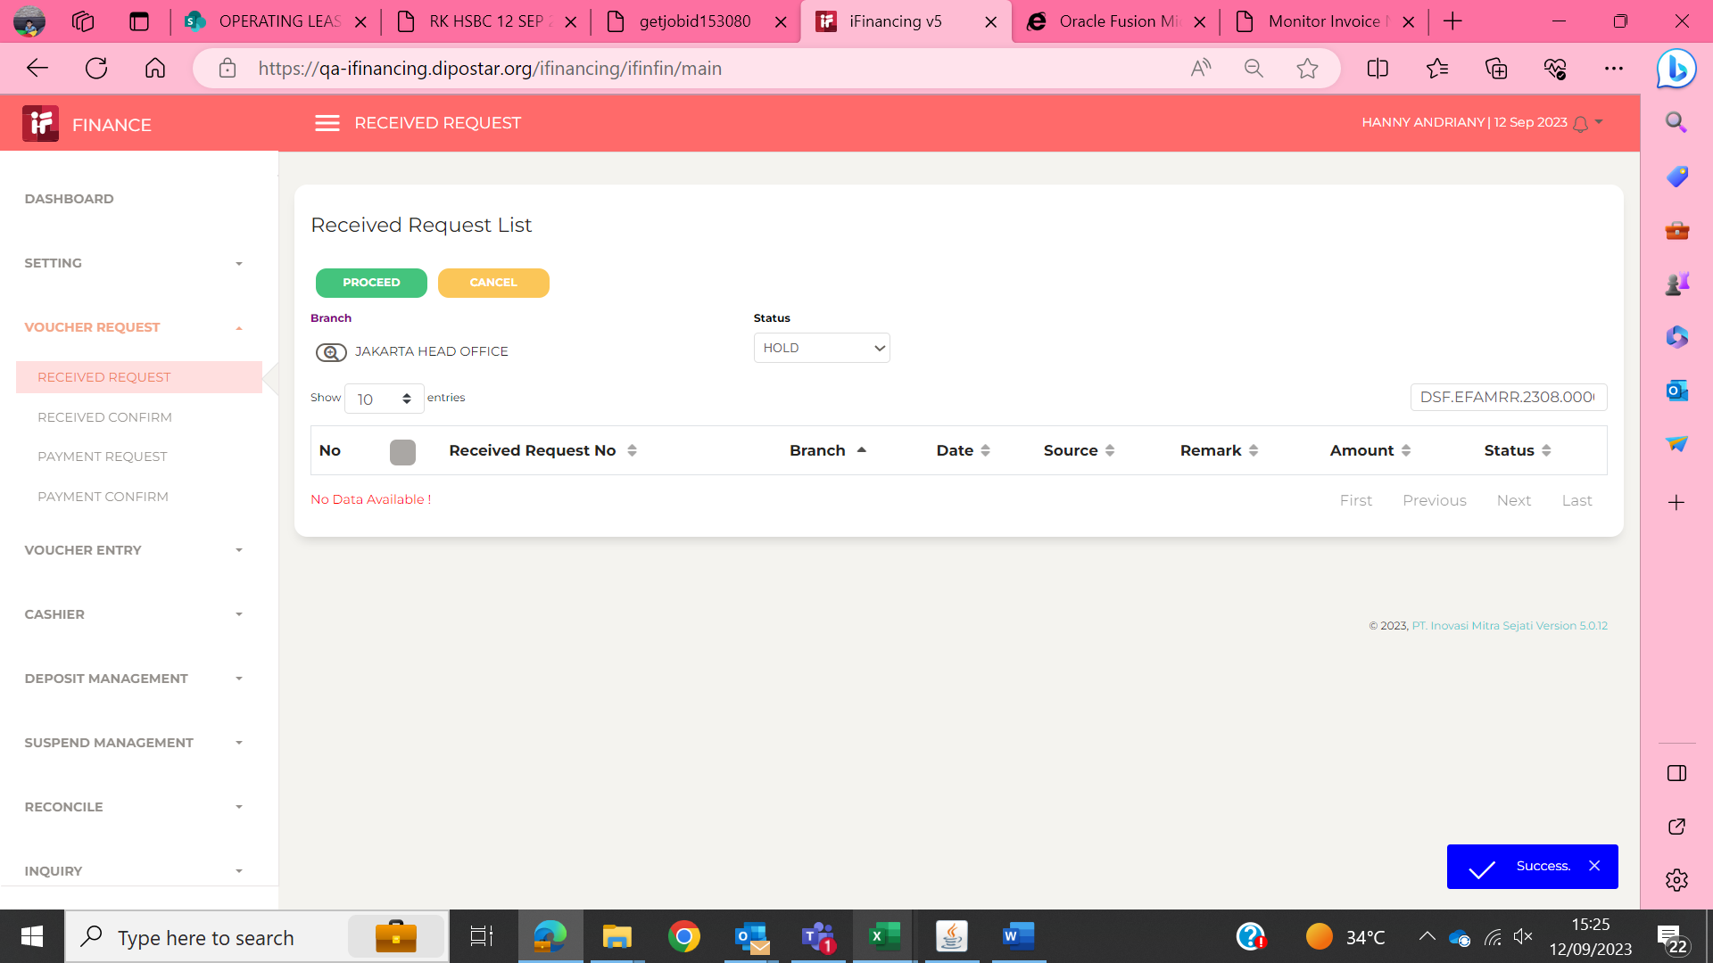

7

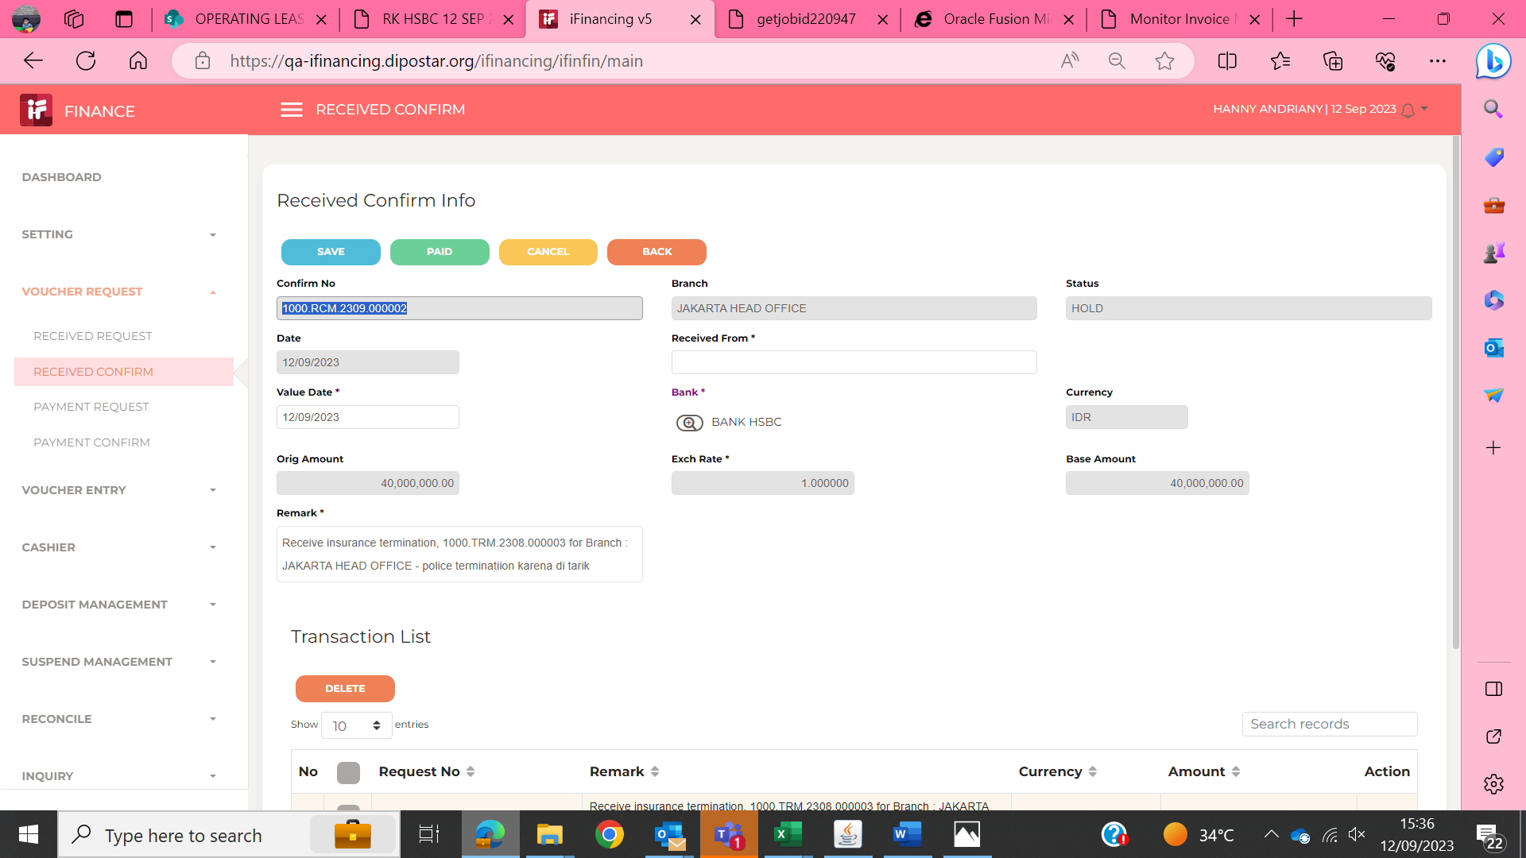

8

